SB shackles
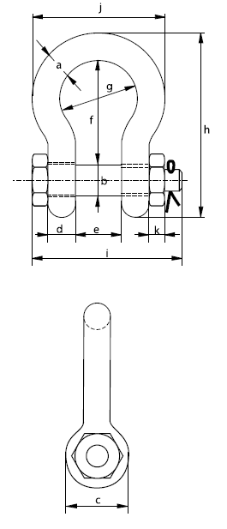
Greenpin standard bow shackles - safety bolt |  |  |  |  |  |  |  |  |  |  |  | Home

working load limit | diameter bow | diameter pin | diameter eye | width eye | width inside | length inside | width bow | length | length bolt | width bow | thickness nut | weight each

tons | a mm | b mm | c mm | d mm | e mm | f mm | g mm | h mm | i mm | j mm | k mm | kg
0.5 | 7 | 8 | 17 | 7 | 12 | 29 | 20 | 54 | 43 | 37 | 4 | 0
0.75 | 9 | 10 | 21 | 9 | 13.5 | 32 | 22 | 61 | 51 | 42 | 5 | 0.1
1 | 10 | 11 | 23 | 10 | 17 | 36.5 | 26 | 71 | 61 | 49 | 8 | 0.1
1.5 | 11 | 13 | 26 | 11 | 19 | 43 | 29 | 80 | 68 | 54 | 11 | 0.2
2 | 13.5 | 16 | 34 | 13.5 | 22 | 51 | 32 | 91 | 83 | 63 | 13 | 0.4
3.25 | 16 | 19 | 40 | 16 | 27 | 64 | 43 | 114 | 99 | 79 | 17 | 0.7
4.75 | 19 | 22 | 47 | 19 | 31 | 76 | 51 | 136 | 115 | 94 | 20 | 1.1
6.5 | 22 | 25 | 53 | 22 | 36 | 83 | 58 | 157 | 131 | 107 | 23 | 1.7
8.5 | 25 | 28 | 60 | 25 | 43 | 95 | 68 | 176 | 151 | 124 | 25 | 2.5
9.5 | 28 | 32 | 67 | 28 | 47 | 108 | 75 | 197 | 167 | 137 | 28 | 3.6
12 | 32 | 35 | 74 | 32 | 51 | 115 | 83 | 218 | 179 | 154 | 31 | 4.9
13.5 | 35 | 38 | 80 | 35 | 57 | 133 | 92 | 240 | 198 | 170 | 34 | 6.5
17 | 38 | 42 | 89 | 38 | 60 | 146 | 99 | 262 | 203 | 183 | 19 | 8.1
25 | 45 | 50 | 104 | 45 | 74 | 178 | 126 | 314 | 244 | 226 | 24 | 14.2
35 | 50 | 57 | 119 | 50 | 83 | 197 | 138 | 358 | 270 | 250 | 27 | 19.8
42.5 | 57 | 65 | 134 | 57 | 95 | 222 | 160 | 414 | 302 | 287 | 30 | 28.3
55 | 65 | 70 | 145 | 65 | 105 | 260 | 180 | 463 | 330 | 329 | 33 | 39.5
85 | 75 | 83 | 163 | 75 | 127 | 329 | 190 | 556 | 376 | 355 | 40 | 62

This workbook created by;
Russell Parker
Prime Crane Services
prime@westnet.com.au
www.rptraining.com.au

WB shackles
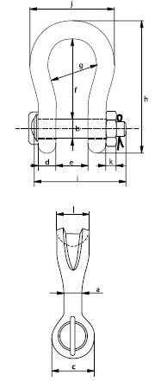
Greenpin sling shackles - safety bolt |  |  |  |  |  |  |  |  |  | Home

working load limit | diameter body | diameter pin | diameter eye | width eye | width inside | length inside | width bow | length | length bolt | width | thickness nut | bearing surface | weight each

tons | a mm | b mm | c mm | d mm | e mm | f mm | g mm | h mm | i mm | j mm | k mm | l mm | kg
40 | 55 | 51 | 109 | 45 | 84 | 199 | 140 | 331 | 252 | 235 | 38 | 97 | 20
55 | 60 | 57 | 115 | 55 | 90 | 240 | 160 | 389 | 299 | 270 | 45 | 100 | 30
75 | 68 | 70 | 125 | 54 | 110 | 290 | 185 | 473 | 317 | 317 | 40 | 120 | 49
125 | 85 | 80 | 154 | 85 | 137 | 366 | 220 | 583 | 413 | 390 | 40 | 150 | 88
150 | 94 | 95 | 179 | 89 | 147 | 391 | 253 | 645 | 445 | 434 | 50 | 170 | 125
200 | 110 | 105 | 199 | 100 | 158 | 481 | 280 | 759 | 480 | 482 | 50 | 205 | 190
250 | 126 | 120 | 227 | 110 | 179 | 542 | 300 | 859 | 535 | 530 | 60 | 240 | 264

This workbook created by;
Russell Parker
Prime Crane Services
prime@westnet.com.au
www.rptraining.com.au

Super shackles
Greenpin Super Shackles - safety bolt |  |  |  |  |  |  |  |  |  | Home
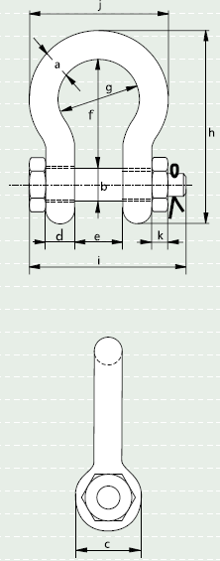

working load limit | diameter bow | diameter pin | diameter eye | width eye | width inside | length inside | width bow | length | length bolt | width bow | thickness nut | weight each

tons | a mm | b mm | c mm | d mm | e mm | f mm | g mm | h mm | i mm | j mm | k mm | kg
3.3 | 13.5 | 16 | 34 | 13 | 22 | 51 | 32 | 90 | 80 | 59 | 13 | 0.4
5 | 16 | 19 | 40 | 16 | 27 | 64 | 43 | 110 | 98 | 75 | 17 | 0.73
7 | 19 | 22 | 46 | 19 | 31 | 76 | 51 | 129 | 115 | 89 | 19 | 1.19
9.5 | 22 | 25 | 52 | 22 | 36 | 83 | 58 | 144 | 130 | 102 | 22 | 1.73
12.5 | 25 | 28 | 59 | 25 | 43 | 95 | 68 | 164 | 150 | 118 | 25 | 2.56
15 | 28 | 32 | 67 | 28 | 47 | 108 | 75 | 186 | 166 | 131 | 27 | 3.6
18 | 32 | 35 | 73 | 32 | 51 | 115 | 83 | 201 | 184 | 147 | 30 | 4.95
21 | 35 | 38 | 79 | 35 | 57 | 133 | 92 | 227 | 197 | 162 | 33 | 6.62
30 | 38 | 42 | 88 | 38 | 60 | 146 | 99 | 249 | 202 | 175 | 19 | 8.11
40 | 45 | 50 | 104 | 45 | 74 | 178 | 126 | 300 | 243 | 216 | 23 | 14.8
55 | 57 | 57 | 119 | 57 | 83 | 197 | 138 | 342 | 283 | 252 | 26 | 23.3
85 | 70 | 70 | 145 | 70 | 105 | 260 | 180 | 438 | 339 | 320 | 32 | 45.1
120 | 83 | 83 | 164 | 83 | 127 | 329 | 190 | 537 | 397 | 356 | 39 | 72
150 | 95 | 95 | 204 | 95 | 147 | 400 | 238 | 644 | 453 | 428 | 50 | 116
175 | 105 | 108 | 235 | 105 | 169 | 410 | 275 | 686 | 496 | 485 | 50 | 156

This workbook created by;
Russell Parker
Prime Crane Services
prime@westnet.com.au
www.rptraining.com.au

Multi crane calcs
Multi crane lift calcs |  |  |  |  |  |  |  | Home

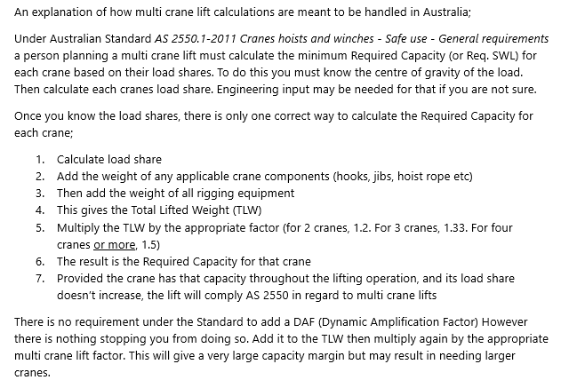
NOTE; These calculators are based on Australian Standard AS 2550.1-2011 Cranes hoists and winches - Safe use - General requirements. |  | CAUTION; Determining load shares for a multi crane lift, especially for 3 or more cranes, may need engineering input. These calculators will return results based only on your input.

All weights in kg

Two crane lift

Crane 1 |  | Crane 2

Load share | 25000 | Load share | 22000
Crane components | 1200 | Crane components | 950
Rigging weight | 750 | Rigging weight | 350
Total lift weight | 26950 | Total lift weight | 23300
Required SWL | 32340 | Required SWL | 27960
Actual SWL | 35000 | Actual SWL | 27960
Utilisation of actual SWL | 77.0% | Utilisation of actual SWL | 83.3%

Lift complies with AS2550? | YES
 |  |  |  | NOTE; If you enter an Actual SWL that is less than the Required SWL, the cell will turn red. You can enter corrected data by simply clicking on that cell and entering a new value
Three crane lift

Crane 1 |  | Crane 2 |  | Crane 3

Load share | 25000 | Load share | 22000 | Load share | 22000
Crane components | 1200 | Crane components | 950 | Crane components | 950
Rigging weight | 750 | Rigging weight | 350 | Rigging weight | 350
Total lift weight | 26950 | Total lift weight | 23300 | Total lift weight | 23300
Required SWL | 35844 | Required SWL | 30989 | Required SWL | 30989
Actual SWL | 38000 | Actual SWL | 32000 | Actual SWL | 32000
Utilisation of actual SWL | 70.9% | Utilisation of actual SWL | 72.8% | Utilisation of actual SWL | 72.8%

Lift complies with AS2550? | YES

Four crane lift

Crane 1 |  | Crane 2 |  | Crane 3 |  | Crane 4

Load share | 22000 | Load share | 22000 | Load share | 22000 | Load share | 22000
Crane components | 950 | Crane components | 1100 | Crane components | 1100 | Crane components | 1100
Rigging weight | 350 | Rigging weight | 350 | Rigging weight | 350 | Rigging weight | 350
Total lift weight | 23300 | Total lift weight | 23450 | Total lift weight | 23450 | Total lift weight | 23450
Required SWL | 34950 | Required SWL | 35175 | Required SWL | 35175 | Required SWL | 35175
Actual SWL | 35000 | Actual SWL | 36000 | Actual SWL | 36000 | Actual SWL | 40000
Utilisation of actual SWL | 66.6% | Utilisation of actual SWL | 65.1% | Utilisation of actual SWL | 65.1% | Utilisation of actual SWL | 58.6%

Lift complies with AS2550? | YES

This workbook created by;
Russell Parker
Prime Crane Services
prime@westnet.com.au
www.rptraining.com.au

Boom clearance
Boom / obstacle clearance calculator |  |  |  |  |  |  |  |  |  |  | Home

 | Enter all required data as specified below;

1 | Hydraulic crane boom pivot point |  | 2.0 | m | behind slew centre and |  | 3.5 |  | m above ground |  | Enter data for one crane type only. If changing crane type, clear existing data first.
2 | Crawler crane boom pivot point |  |  | m | forward of slew centre and |  |  |  | m above ground

3 | Main boom length |  | 61.0 | m
4 | Jib length |  | 12.0 | m
5 | Jib offset / angle |  | 20.0 | deg |  | Ensure all items 3 to 9 are filled with the correct data!
6 | Distance from obstacle |  | 12.0 | m
7 | Required distance into / past obstacle |  | 15.0 | m
8 | Height of obstacle |  | 20.0 | m
9 | Vertical height of the boom section most adjacent to the obstacle |  | 1.2 | m

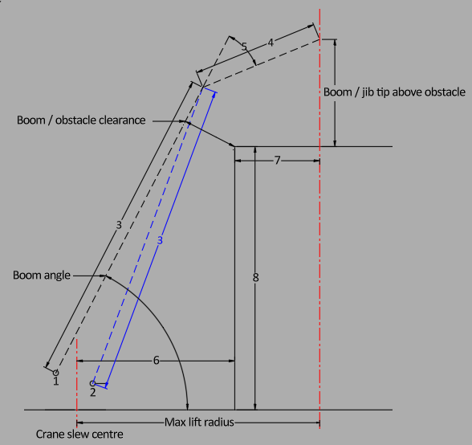

 |  |  |  |  |  |  |  |  |  |  |  | 49.8 | m

 |  | 6.8 | m

 |  | 69.6 | °

This workbook created by;
Russell Parker
Prime Crane Services
prime@westnet.com.au
www.rptraining.com.au
 |  |  |  |  |  |  |  | 27.0 |  | m

Sling tensions - 2 pt
Sling tension calculator - two point lift |  |  |  | Home
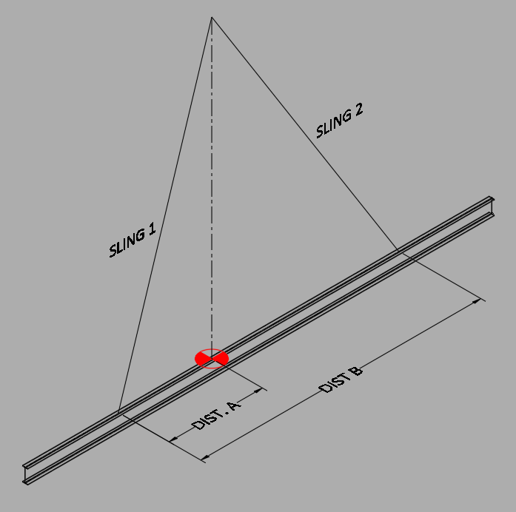
Load weight? | 20000 | kg
Dist. A? | 3000 | Sling 1 attach point to C of G (mm)
Dist. B? | 5000 | Distance between sling points (mm)

Sling 1 SWL | 15 | t
Sling 2 SWL | 15 | t
Minimum sling angle | 60 | deg

Do you want to add a Dynamic Amplification Factor?
DAF | 1.2 | (1.1 to 5)

Sling 1 min. length | 6000 | mm
Sling 2 min. length | 5568 | mm

Sling 1 vertical load | 8000 | kg
Sling 1 tension | 11085 | kg
Sling 1 utilisation | 74 | %

Sling 2 vertical load | 12000 | kg
Sling 2 tension | 15430 | kg
Sling 2 utilisation | 103 | %

✓ Offset checks OK |  |  | "DIST. A" can be more than half of "DIST. B" Think of a mirrored image.
✓ Input ranges OK
✓ All tensions positive

CAUTION; This calculator gives an indication only of sling tensions. It does not take into account the self weight of the rigging.

Russell Parker
Prime Crane Services
prime@westnet.com.au
www.rptraining.com.au

Sling tensions - 4 pt
Sling tension calculator - four point lift |  |  |  |  |  |  |  | Home
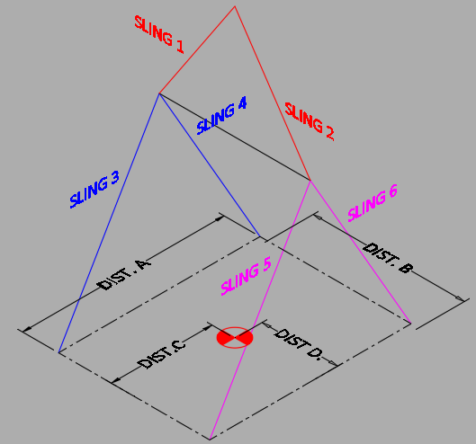
Load weight? | 20000 | kg |  |  | Sling minimum lengths | Sling vertical loads | Sling tensions | Sling utilisation
Dist. A? | 8000 | mm |  |  | mm | kg | kg | %
Dist. B? | 2500 | mm |  | 1 | 2800 | 9300 | 12886 | 86
Dist. C? | 3500 | mm |  | 2 | 2663 | 11700 | 15417 | 103
Dist. D? | 1100 | mm
 |  |  |  | 3 | 8544 | 4950 | 6511 | 81
Sling 1 SWL | 15 | t |  | 4 | 9000 | 3850 | 5335 | 67
Sling 2 SWL | 15 | t |  | 5 | 8544 | 6300 | 8287 | 104
Sling 3 SWL | 8 | t |  | 6 | 9000 | 4900 | 6790 | 85
Sling 4 SWL | 8 | t
Sling 5 SWL | 8 | t |  |  | ✓ Offset checks OK
Sling 6 SWL | 8 | t |  |  | ✓ Input ranges OK
Spreader weight | 1000 | kg |  |  | ✓ All tensions positive

Slings 1 & 2 min. angle | 60
Slings 3 to 6 min. angle | 60
If these cells are left blank, the default minimum sling angle is 60 deg from the horizontal. You can specify different desired minimum angles for all, or two or just one group of slings. |  |  | CAUTION; This calculator gives an indication only of sling tensions. It does not take into account the self weight of all of the rigging.

Do you want to add a Dynamic Amplification Factor?

DAF | 1.2 | (1.1 to 5)

This workbook created by;
Russell Parker
Prime Crane Services
prime@westnet.com.au
www.rptraining.com.au

Load splits - 8 pt
Lift point load shares - eight point lift |  |  |  |  |  | Home
Enter data into the grey cells. This sheet feeds the following sheet "Sling tensions - 8pt" |  |  |  |  |  |  |  |  | "LP" = Lift Point

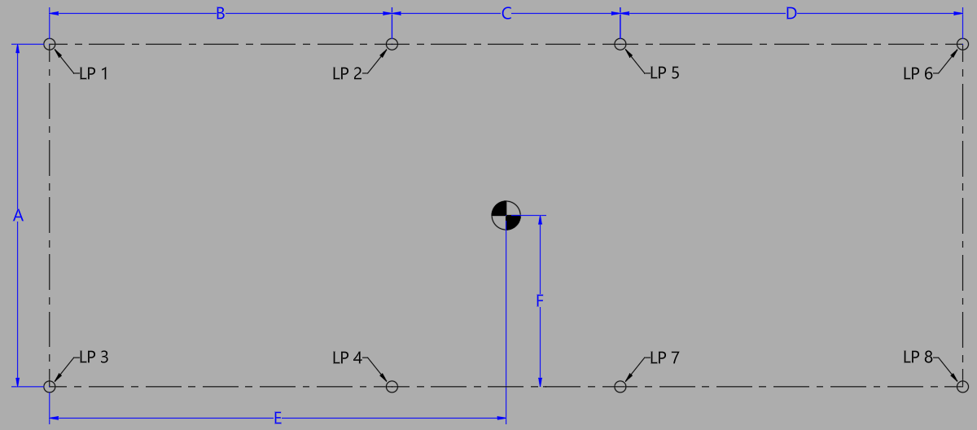
Load weight? |  | 35000 | kg | LP1 load share; |  | LP2 load share; |  | LP5 load share; |  |  | LP6 load share;
 |  |  |  | 2,979 | kg | 2,979 | kg | 3,143 |  | kg | 3,143 | kg
Dimensions? (mm)
A | 5000
B | 7200
C | 2545
D | 6800
E | 8500
F | 1749

You must ensure these values are entered accurately, as per the designer or vendors drawings and / or instructions.

 |  |  |  | LP3 load share; |  | LP4 load share; |  | LP7 load share; |  |  | LP8 load share;
 |  |  |  | 5,537 | kg | 5,537 | kg | 5,841 |  | kg | 5,841 | kg

 |  |  |  | Important Assumptions and Limitations
 |  |  |  | This calculator is intended as a lift planning aid to assist competent persons in estimating load distribution, sling tensions, and rigging loads for the purpose of selecting suitable lifting equipment and preparing lift plans.

 |  |  |  | The load share calculations are based on the assumption that the load behaves as a rigid body and that the rigging arrangement is designed to maintain the assumed geometry as closely as practicable. This typically includes the use of suitable spreader bars, sling lengths, and rigging configurations to minimise unintended load redistribution.

 |  |  |  | The calculations do not account for load flexibility, structural deflection, local deformation, fabrication tolerances, unequal sling stretch, support settlement, dynamic effects, or other factors that may influence actual load distribution during a lift.

 |  |  |  | Calculated lift point loads, sling tensions, and rigging loads are estimates only and should be considered in conjunction with engineering judgement, manufacturer information, site requirements, and any project-specific engineering assessment.

 |  |  |  | The user is responsible for determining the suitability of the assumptions used and for verifying that all lifting equipment is adequately rated for the intended lift.
This workbook created by;
Russell Parker
Prime Crane Services
prime@westnet.com.au
www.rptraining.com.au

Sling tensions - 8 pt
Sling tension calculator - eight point lift |  |  |  | (Scroll down to see all…) | This sheet partly auto fills from the preceeding "Load splits - 8 pt" sheet |  |  |  |  |  |  | Home

 |  |  | CAUTION; This calculator gives an indication only of sling tensions. It does not take into account the self weight of all of the rigging. It is intended to give the Lift Planner a guide as to minimum rigging requirments.
Load weight? | 35,000 | kg |  |  |  |  | Sling minimum lengths |  | Sling vertical loads | Sling tensions | Sling SWL | Sling utilisation
 |  |  |  |  |  |  | mm |  | kg | kg | tonnes | %
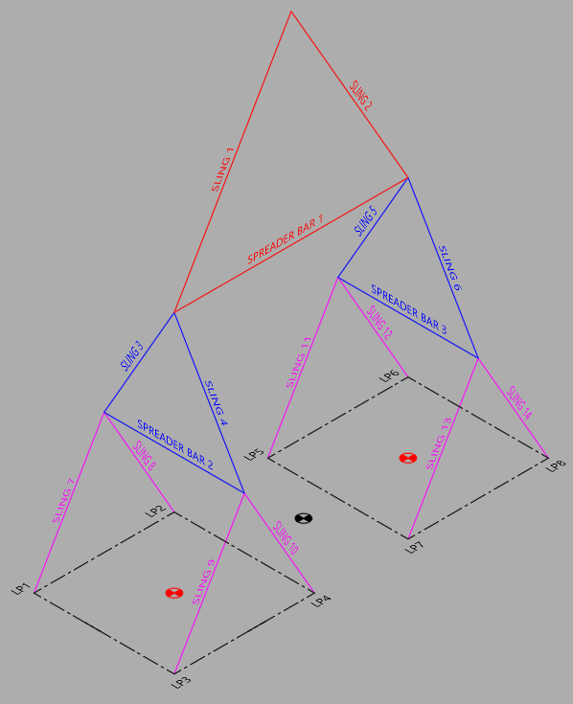
Lift point loads; |  |  |  |  |  | 1 | 10,234 |  | 19,482 | 22,496 | 50 | 45.0
Lift Point 1 | 2,979 | kg |  |  |  | 2 | 10,119 |  | 20,418 | 23,311 | 50 | 46.6
Lift Point 2 | 2,979 | kg
Lift Point 3 | 5,537 | kg |  |  |  | 3 | 5,000 |  | 6,558 | 7,572 | 30 | 25.2
Lift Point 4 | 5,537 | kg |  |  |  | 4 | 5,000 |  | 11,675 | 13,481 | 30 | 44.9
Lift Point 5 | 3,143 | kg |  |  |  | 5 | 5,000 |  | 6,885 | 7,950 | 30 | 26.5
Lift Point 6 | 3,143 | kg |  |  |  | 6 | 5,000 |  | 12,282 | 14,183 | 30 | 47.3
Lift Point 7 | 5,841 | kg
Lift Point 8 | 5,841 | kg |  |  |  | 7 | 7,505 |  | 2,979 | 3,372 | 15 | 22.5
Spreader bar 1 weight? | 2500 | kg |  |  |  | 8 | 7,720 |  | 2,979 | 3,469 | 15 | 23.1
Spreader bar 2 weight? | 1200 | kg |  |  |  | 9 | 7,505 |  | 5,537 | 6,268 | 15 | 41.8
Spreader bar 3 weight? | 1200 | kg |  |  |  | 10 | 7,720 |  | 5,537 | 6,448 | 15 | 43.0

Slings 1 & 2 min. angle? |  |  |  |  |  | 11 | 7,324 |  | 3,143 | 3,663 | 15 | 24.4
Slings 3 to 6 min. angle? |  |  |  |  |  | 12 | 7,109 |  | 3,143 | 3,556 | 15 | 23.7
Slings 7 to 14 min. angle? |  |  |  |  |  | 13 | 7,324 |  | 5,841 | 6,809 | 15 | 45.4
 |  |  |  |  |  | 14 | 7,109 |  | 5,841 | 6,609 | 15 | 44.1
If these cells are left blank, the default minimum sling angle is 60 deg from the horizontal. You can specify different desired minimum angles for all, or two or just one group of slings.
 |  |  |  |  |  |  | Do you want to add a Dynamic Amplification Factor?
 |  |  |  |  |  |  | DAF | 1 | (1 to 5; 1 = no amplification)

 |  |  |  |  |  |  | ✓ Spreader geometry OK
Slings 7 to 14 out angle? | 8 | deg |  |  |  |  | ✓ Input ranges OK
This refers to the outwards angle of the slings to avoid contact with the load. |  |  |  |  |  |  | ✓ Tensions positive; SWLs assessed

Ideal Spreader Bar 1 length; | 9545 | mm
Available length; | 10000 | mm

Ideal Spreader Bar 2 length; | 6,863 | mm
Available length; | 7000 | mm

Ideal Spreader Bar 3 length; | 6,766 | mm
Available length; | 7000 | mm

This workbook created by;
Russell Parker
Prime Crane Services
prime@westnet.com.au
www.rptraining.com.au

Wind speeds
Maximum allowable wind speed calculation |  |  |  |  |  |  | Home
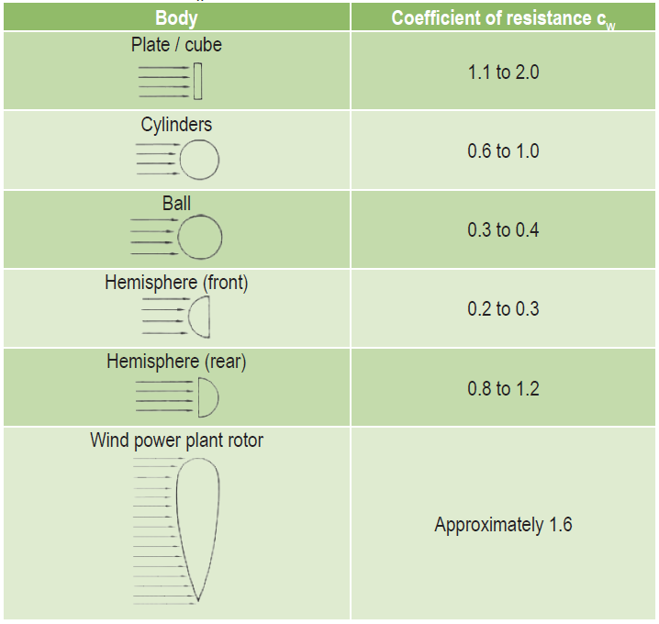

Crane Details |  | Wind Speed Calculations

Make & Model |  | Max Projected Surface Area (m2) | 49.20
Crane Configuration | HA | Load Weight (t) | 12.00
Main boom length (m) | 42.1 | Coefficient of Resistance | 1.6
Counterweight (t) | 69 | Surface Area Exposed to Wind (m2) | 78.7
OEM load chart max wind speed |  | Calculated Max Wind Speed (m/s) | CHECK INPUTS

 |  | Is Calculated Max more than OEM max? |  | CHECK INPUTS

 |  | Maximum Allowable Wind Speed |  | CHECK INPUTS | m/sec
 |  | Maximum Allowable Wind Speed |  | CHECK INPUTS | kph

 |  |  |  |  |  | Use this graphic to decide the value for Coefficient of Resistance.
 |  |  |  |  |  | The value is dependent on how "square" a load is
 |  |  |  |  |  | A flat rectangular load would be more towards 1.1. A square load would be more towards 2
 |  |  |  |  |  | A round load would likewise vary from 0.6 to 1. Depending on how "square" it is, given height and width

 |  |  |  |  |  | For example;

This workbook created by; |  |  |  |  |  | A shipping container would be around 1.3 or 1.4
Russell Parker |  |  |  |  |  | A long narrow formwork shutter would be around 1.1
Prime Crane Services |  |  |  |  |  | A large square formwork shutter would be 2
prime@westnet.com.au |  |  |  |  |  | A tall skinny tank would be 0.6
www.rptraining.com.au |  |  |  |  |  | A squat, fat tank would be 1

 |  |  |  |  |  | Generally, the lighter a load is, the lower the allowable wind speed will be.

GBP Calc
 | Ground bearing pressure calculator |  |  |  |  |  |  |  |  |  |  |  |  |  | Home
 | For cranes on outriggers

 |  |  |  |  |  |  |  |  |  |  |  |  |  | Note; This calculator relies on the user getting maximum jack down force from OEM software. It does not calculate those values. Due to the variability of different outrigger pad materials, and varying ground conditions, the maximum ground bearing pressures calculated here can only be seen as estimations.
 | Outrigger jack pad type; |  |  |  |  |  |  |  |  |  |  | Enter data for one type only. If changing to a different type, other data must be deleted.

 | Round | diameter; |  |  |  | mm
 | Square | length |  | 450 |  | mm | width |  | 300 |  | mm
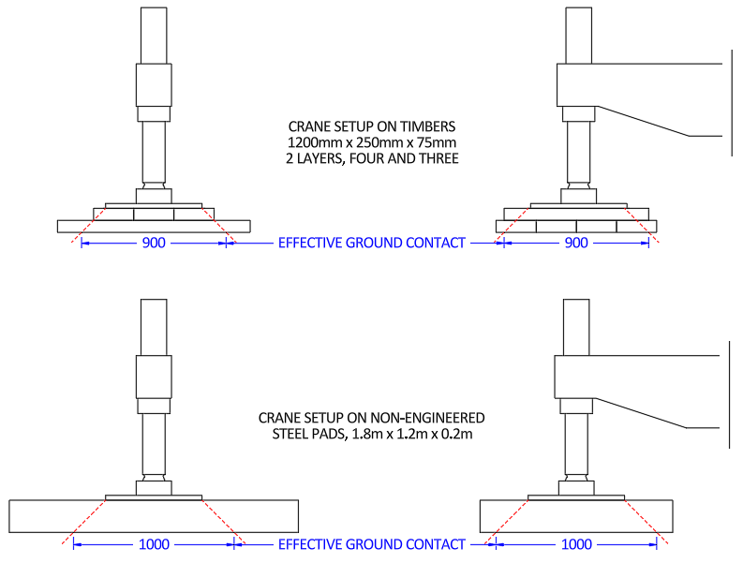

 | Outrigger pad type;

 | Timbers | Length |  | Width |  | Thickness |  | On ground |  | Layer 2 |  | Layer 3 | Weight

 |  | mm |  | mm |  | mm |  | How many |  | How many |  | How many | tonnes

 | Non-engineered steel pad |  | Length |  | Width |  | Thickness |  | Weight
 |  |  | 2000 |  | 1800 |  | 200 |  | 1 |  |  | Enter data for one type only. If changing to a different type, other data must be deleted.
 |  |  | mm |  | mm |  | mm |  | t

 | Engineered & certified steel pad |  | Length |  | Width |  | Weight

 |  |  | mm |  | mm |  | t

 | Maximum jack down force; |  |  |  | 30 |  | tonnes |  | This value must come from OEM software or OEM web resource

 | Ground contact area; |  |  |  | 0.56 |  | m2 (calculated from inputs above)
 | Estimated maximum GBP |  |  |  | 55.3 |  | tonnes / m2
 |  |  |  |  | 542.2 |  | kPa

 |  |  |  |  |  |  |  |  |  |  |  |  |  | This GBP calculator assumes the worst case of effective ground contact area being delineated by 45 degree lines of force emanating from the perimeter of the outrigger jack pad, for timber or non-engineered steel pads. Round jack pads will give higher results than square jack pads. It is assumed that fully engineered pads can act as bridges. Therefore full ground contact area can be used in GBP calculations.

This workbook created by;
Russell Parker
Prime Crane Services
prime@westnet.com.au
www.rptraining.com.au

